Star DHCP Process - Screen
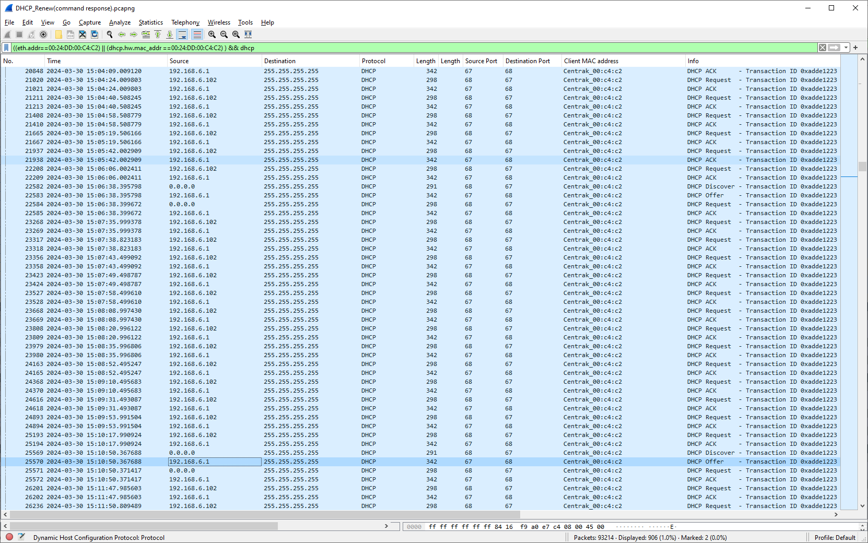
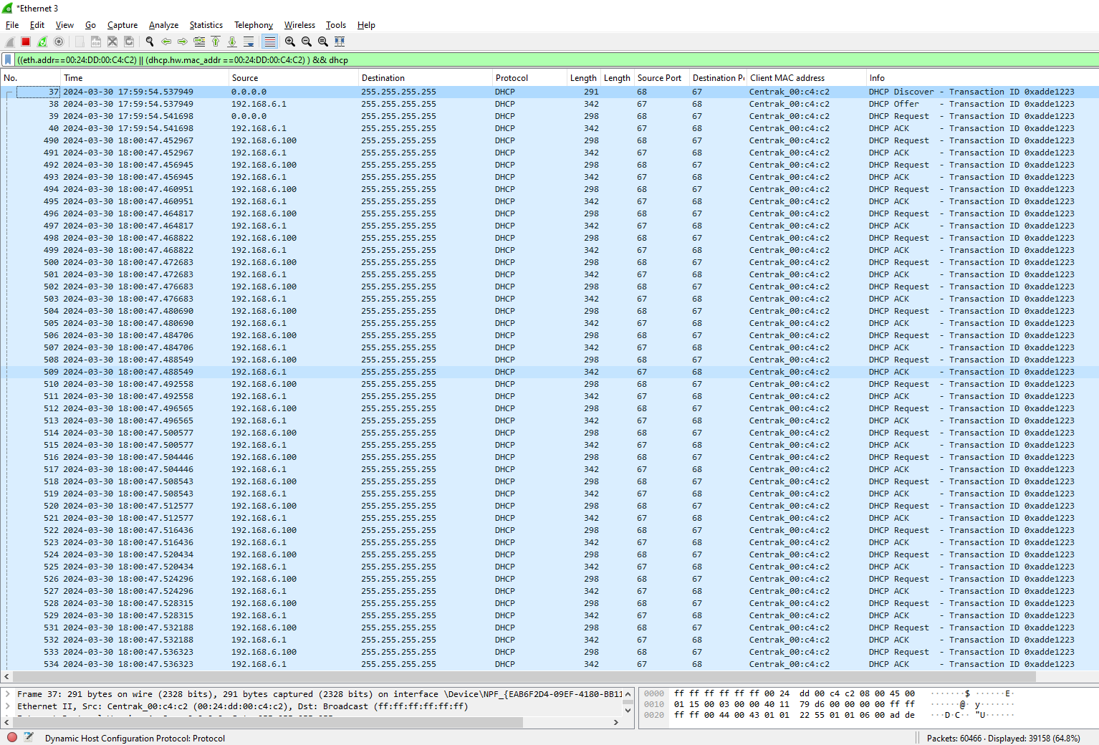
DHCP - Discovery
V12 | V12 | V25
idx value - 100000 | idx value - 700000 | idx value - 100000
Without stress

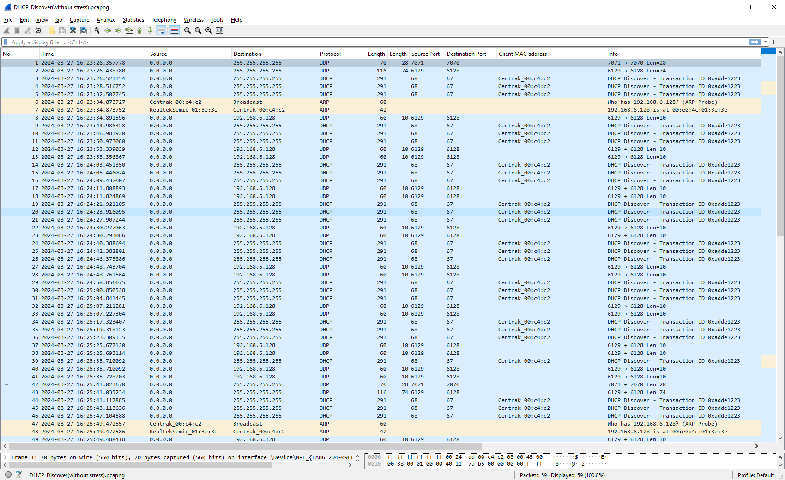
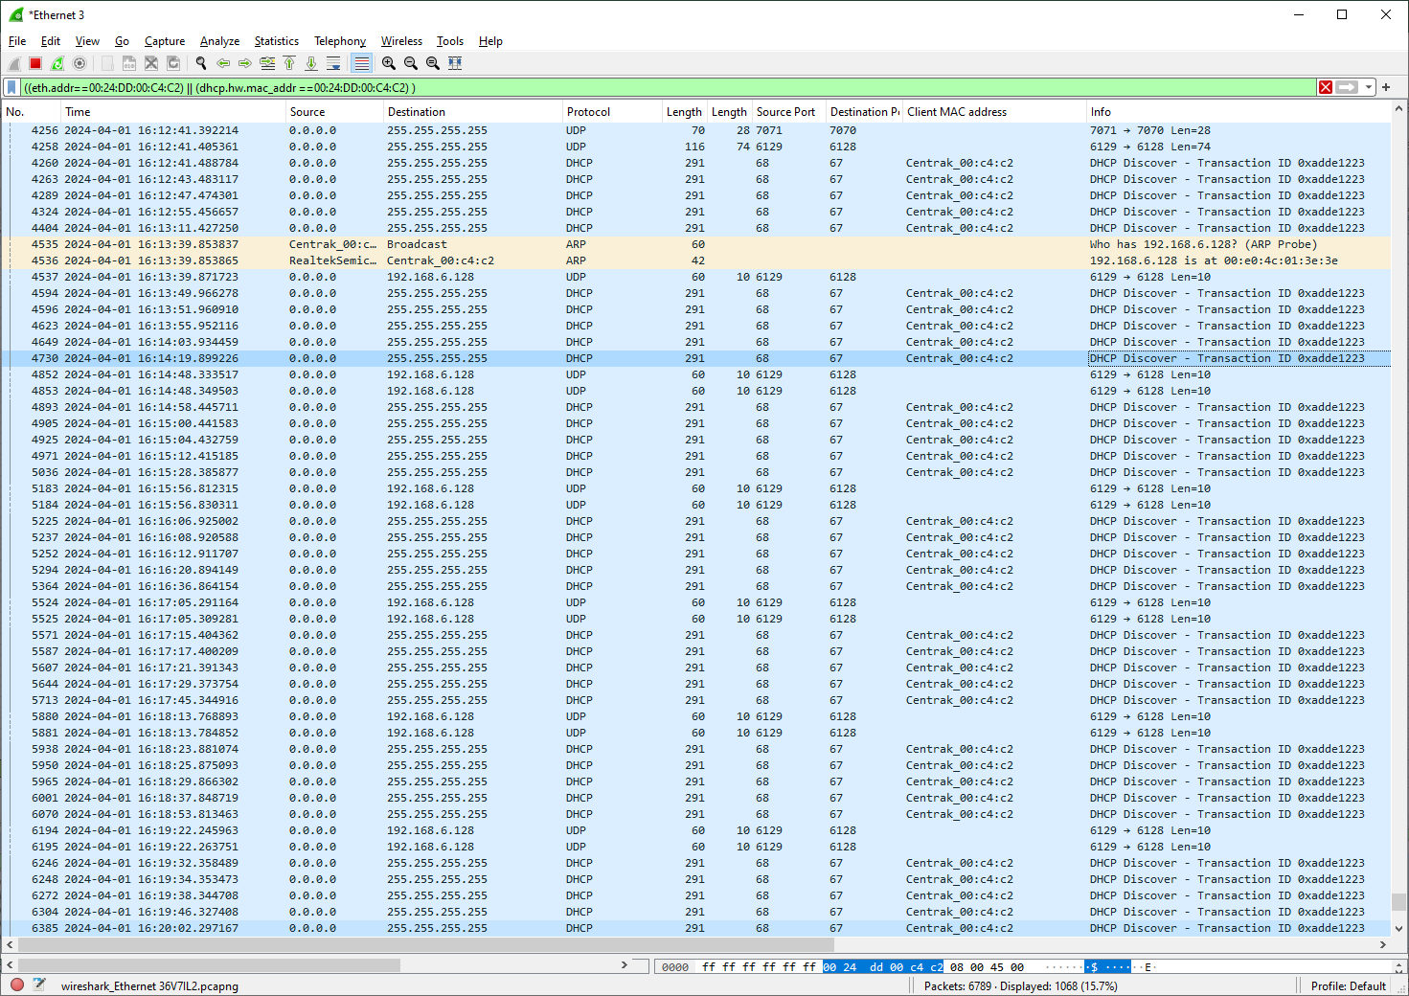
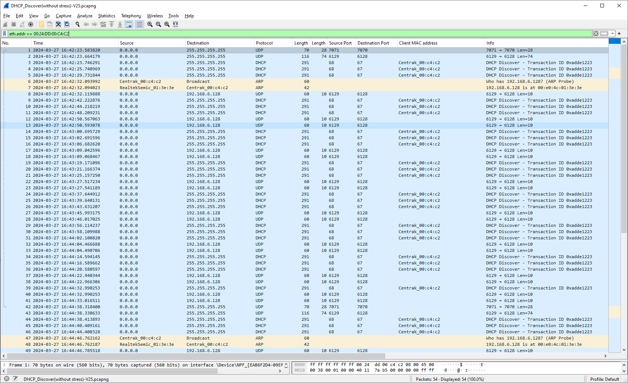

with stress
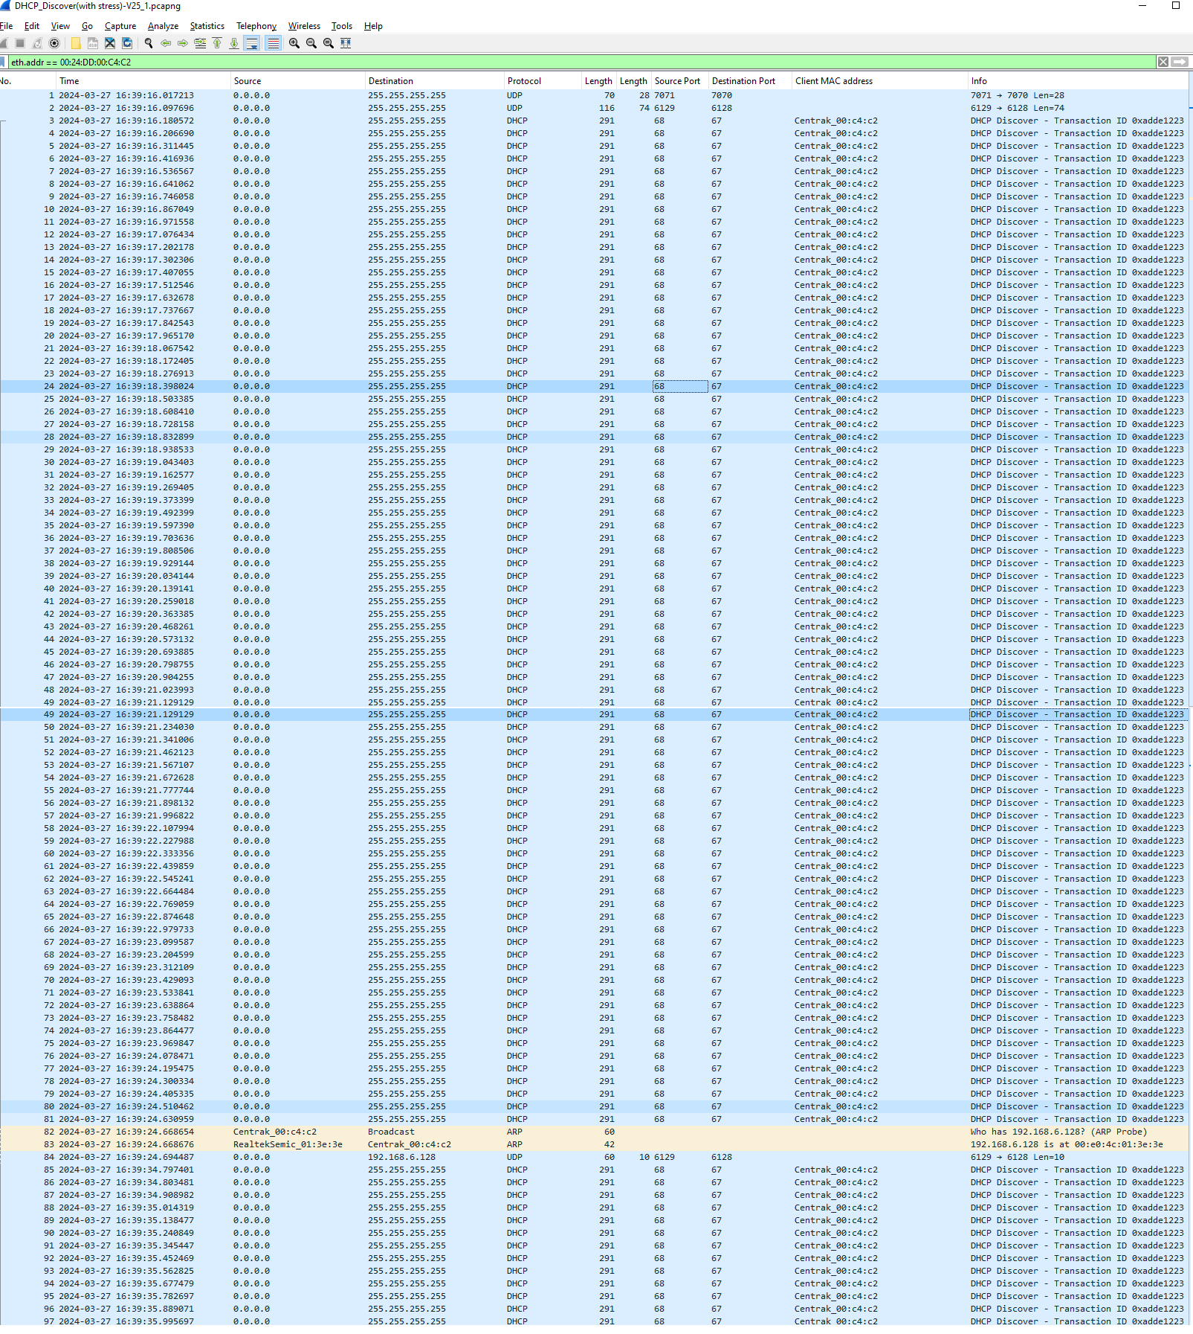
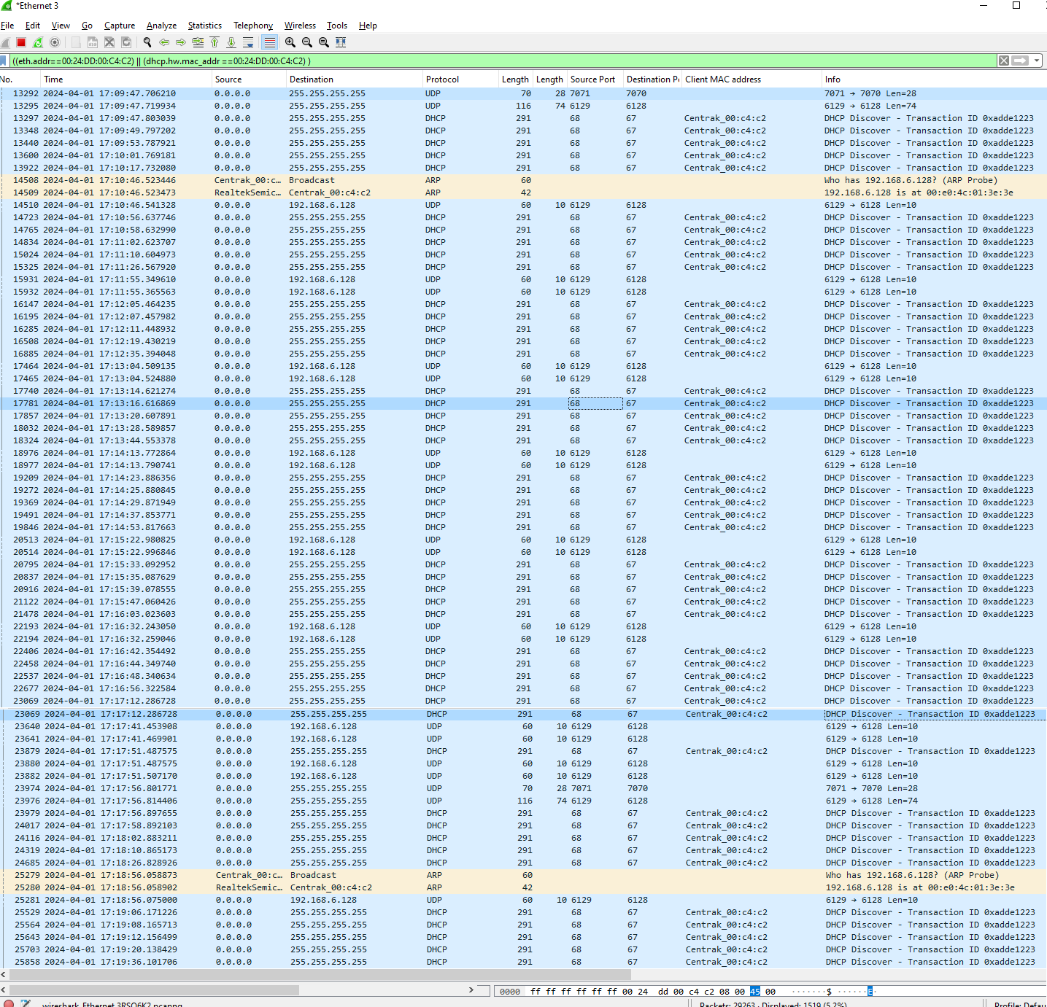
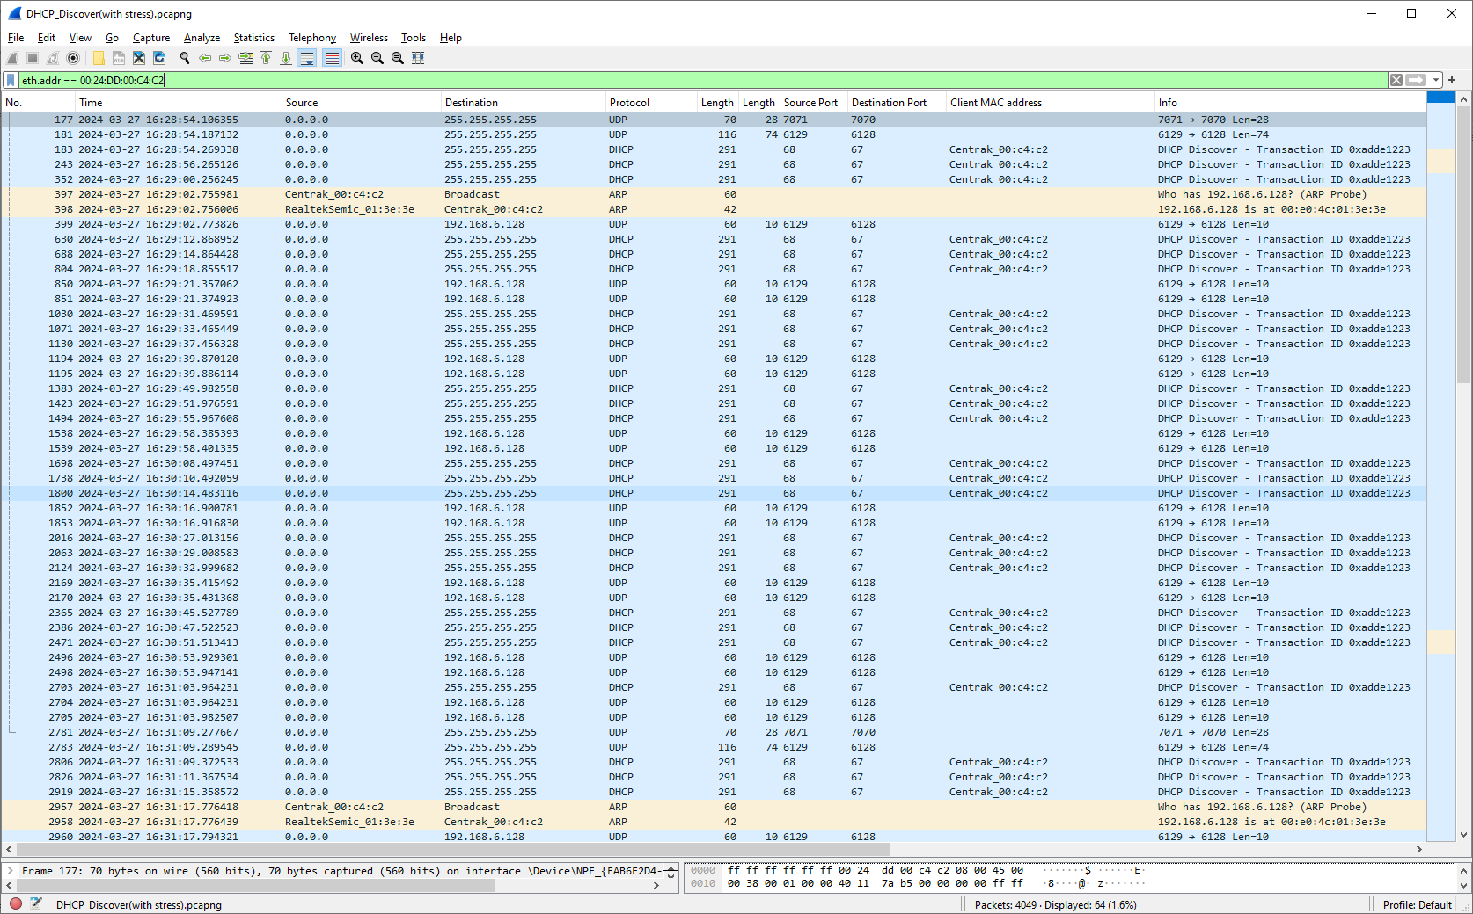

DHCP Discovery (Ignore Discovery Response)

DHCP Server with Ignore Response

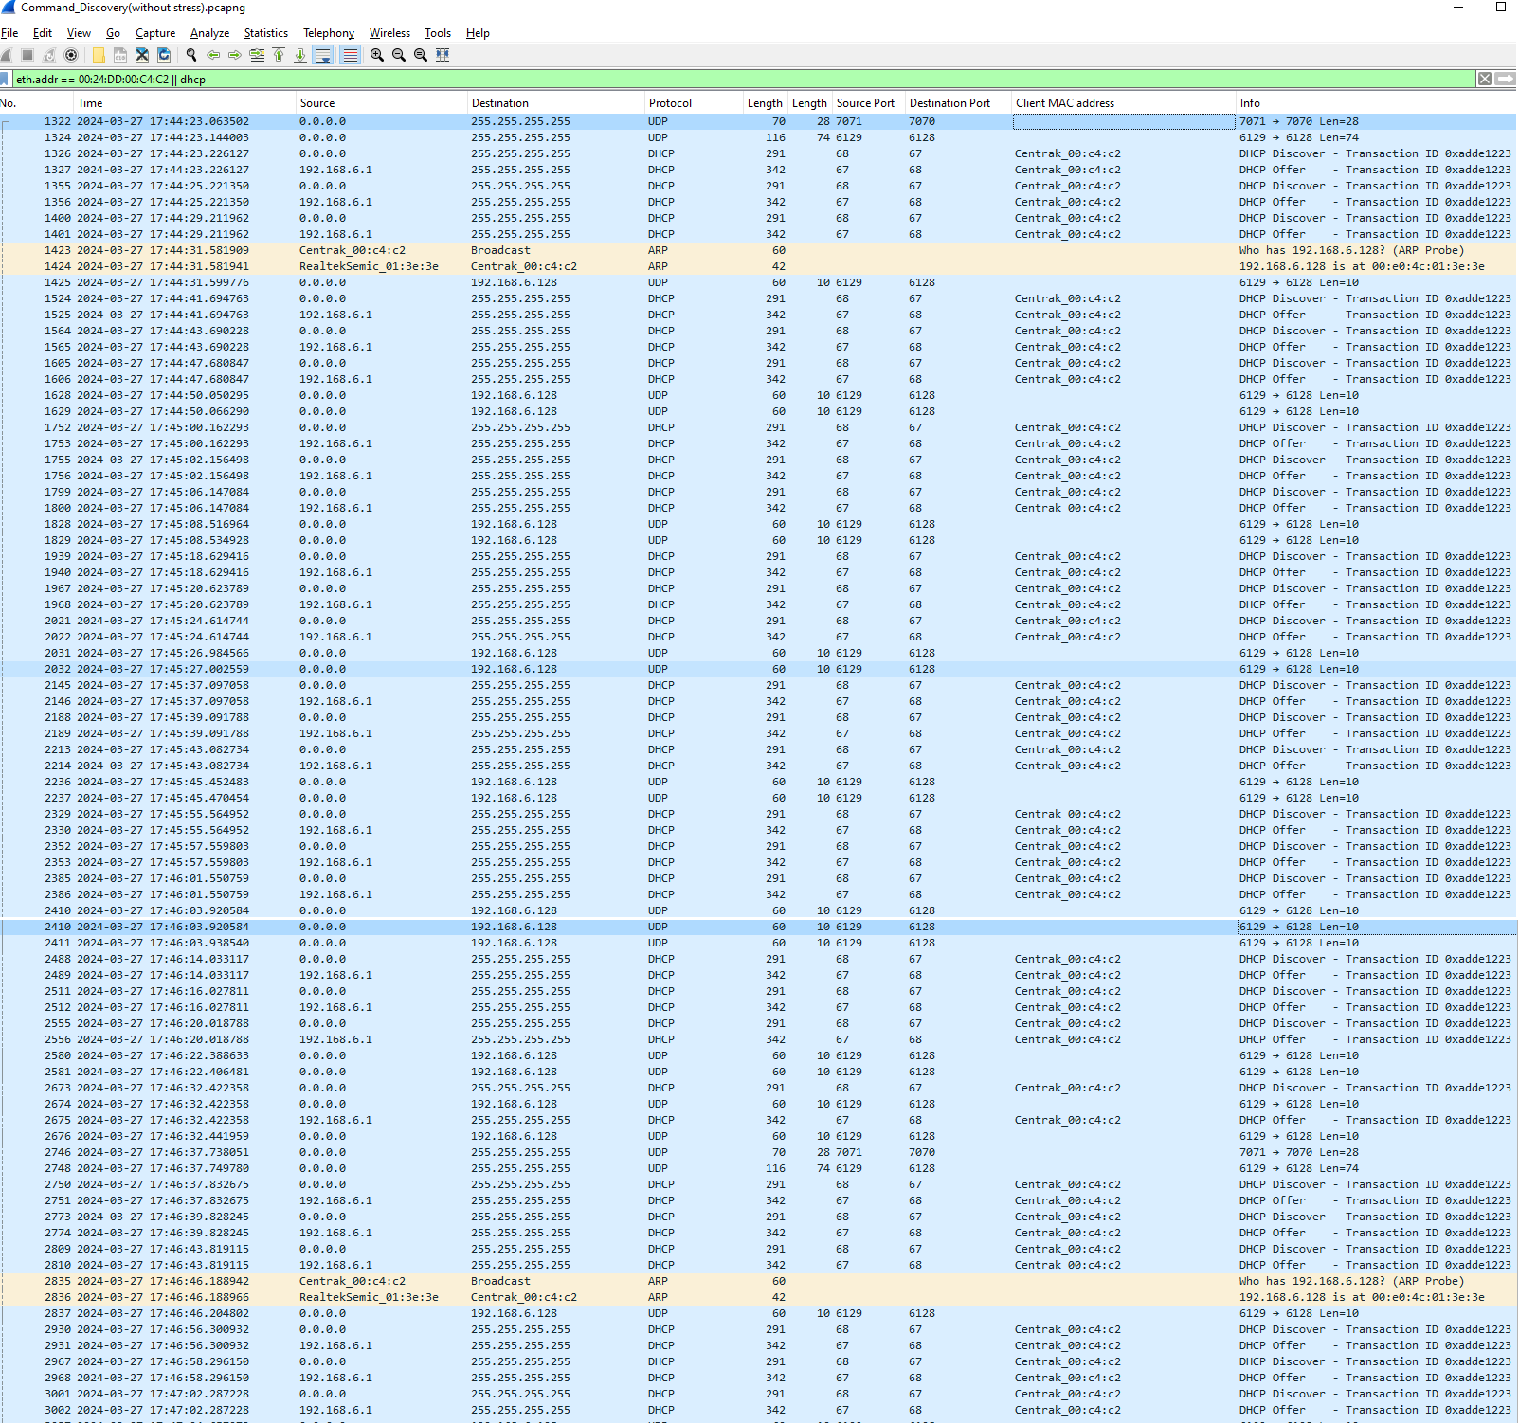
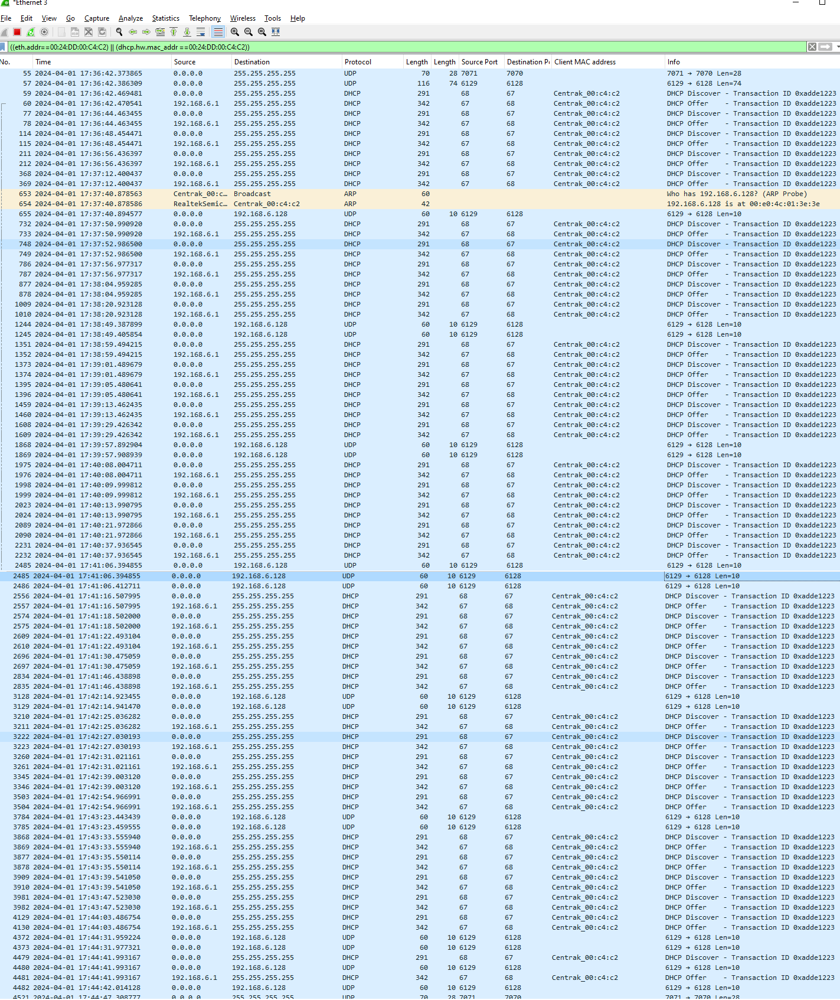
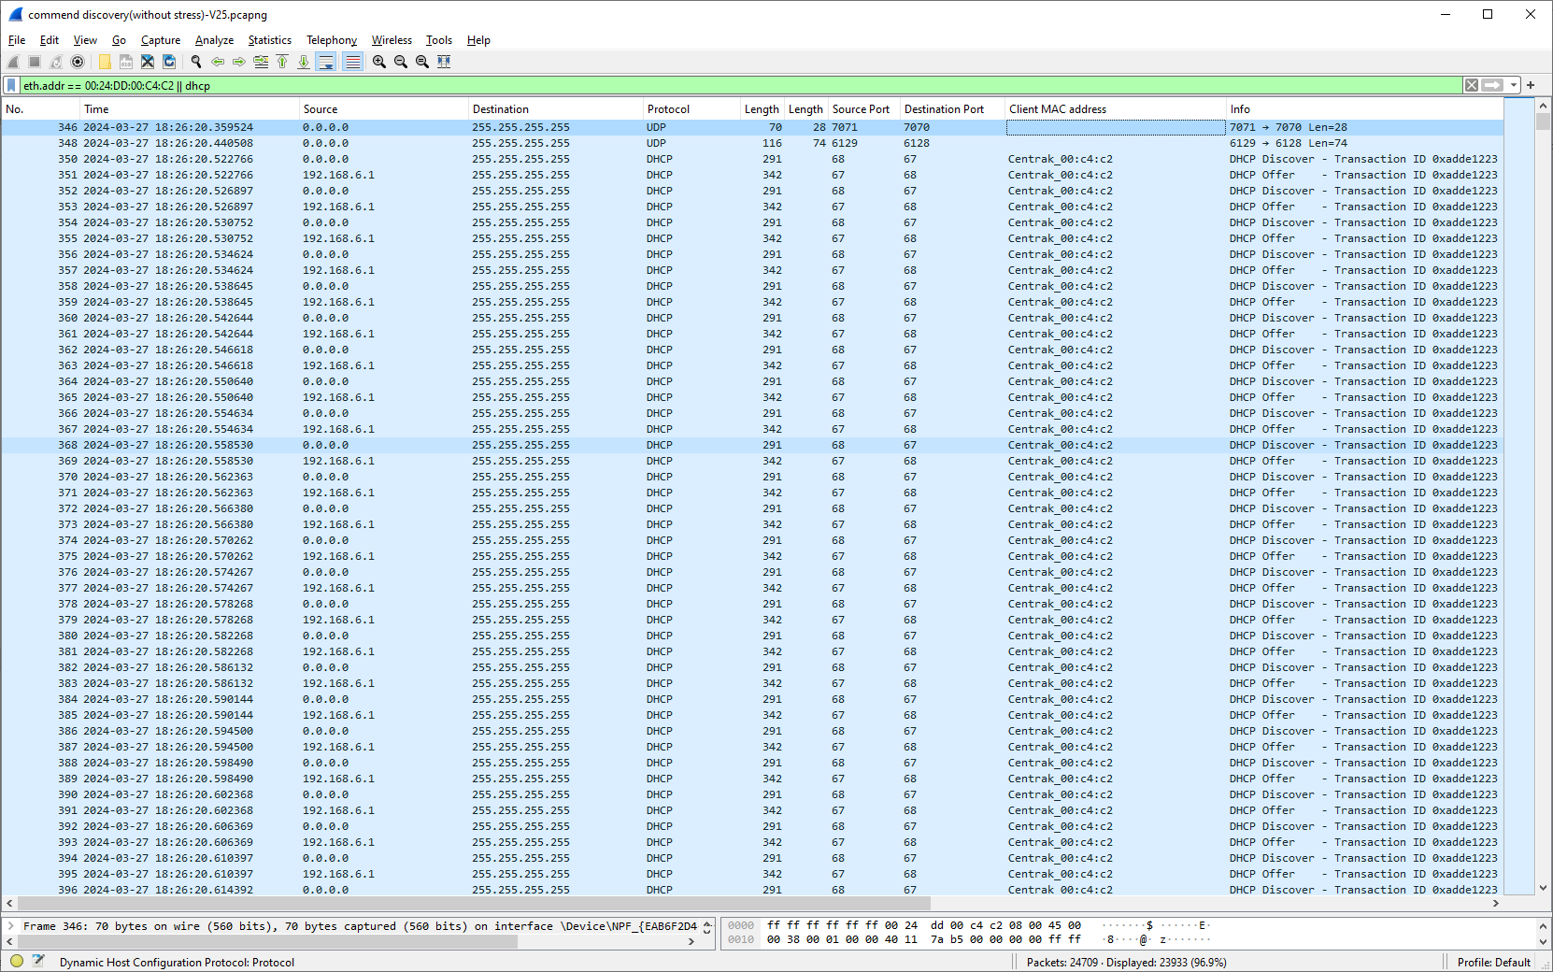

DHCP Discovery (Ignore Request Response)

DHCP Server with Ignore Request

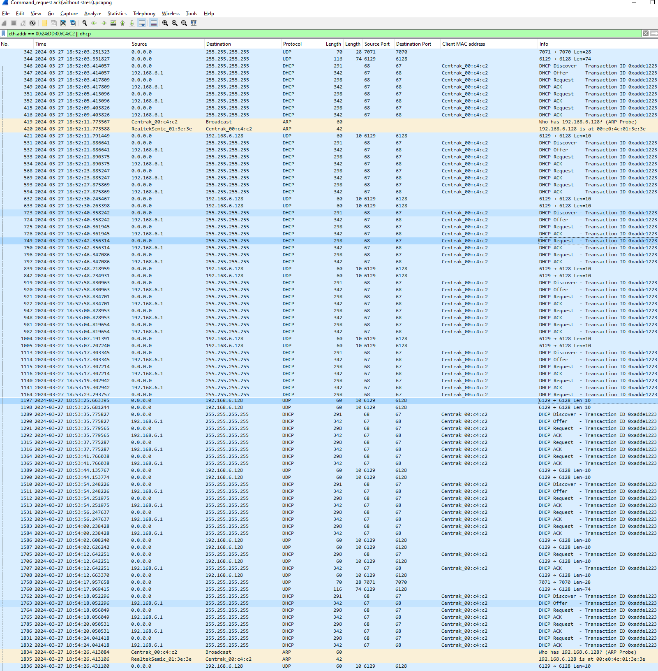
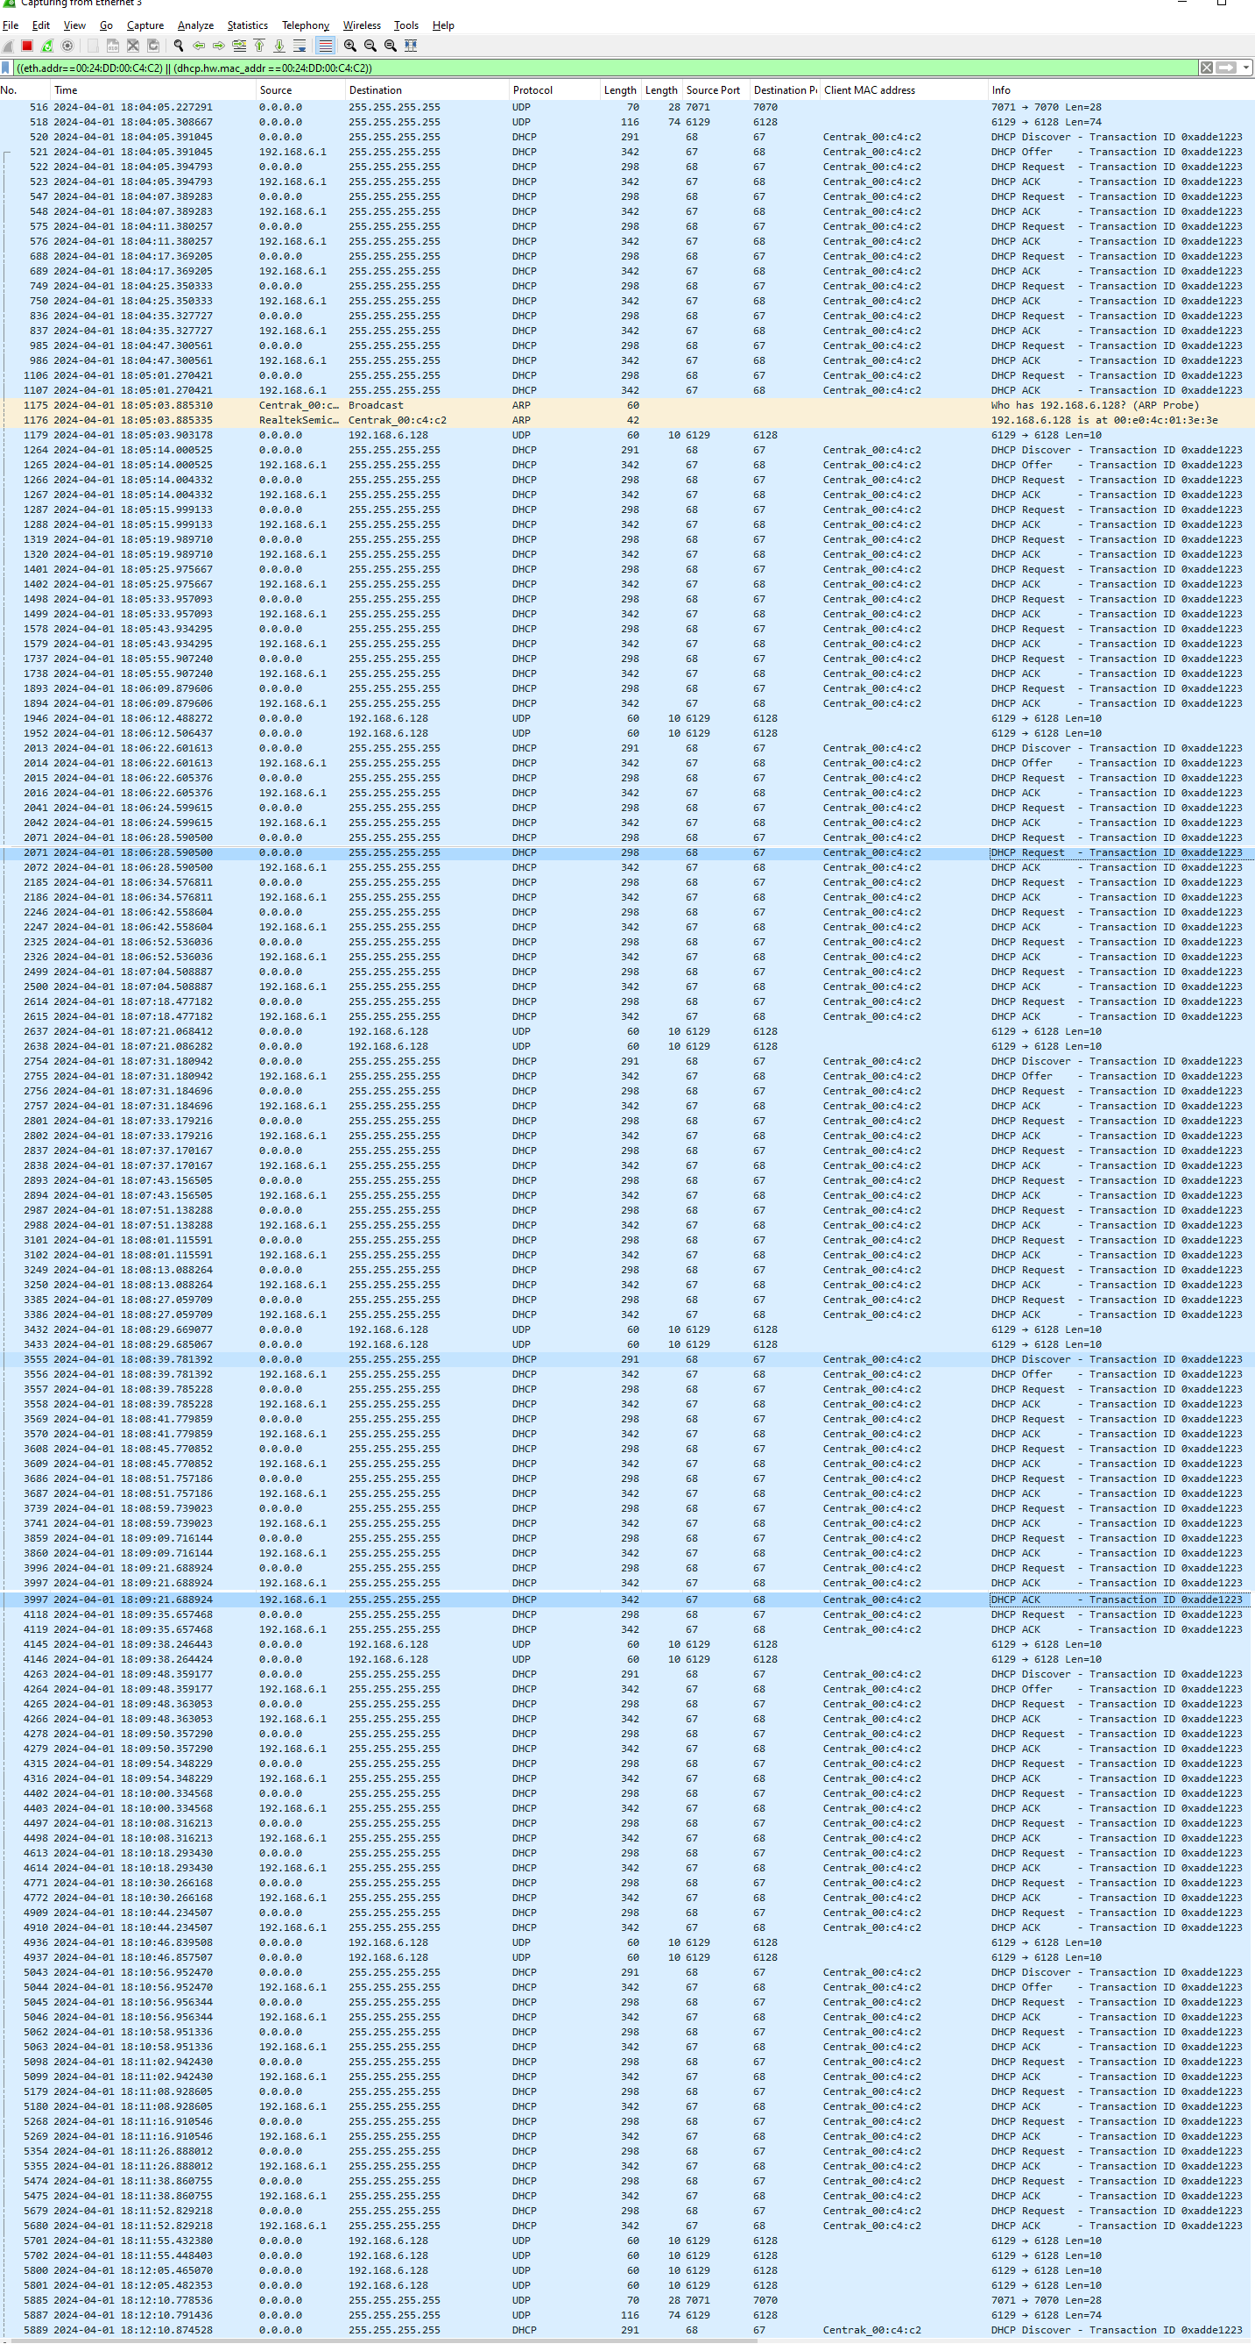
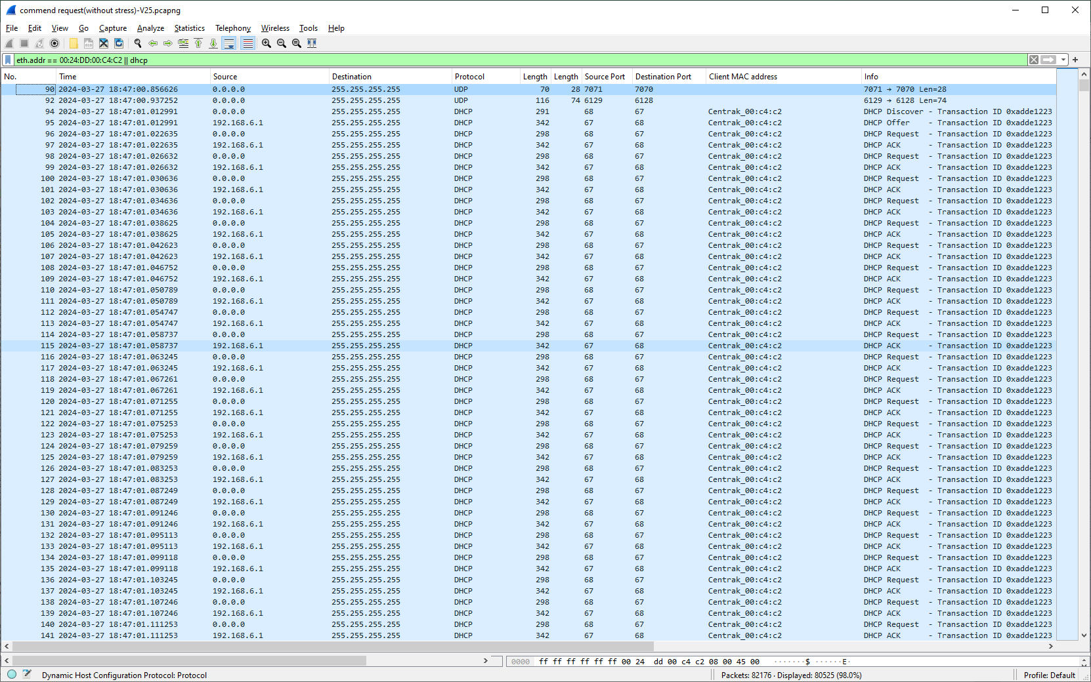

DHCP Renewal

without stress
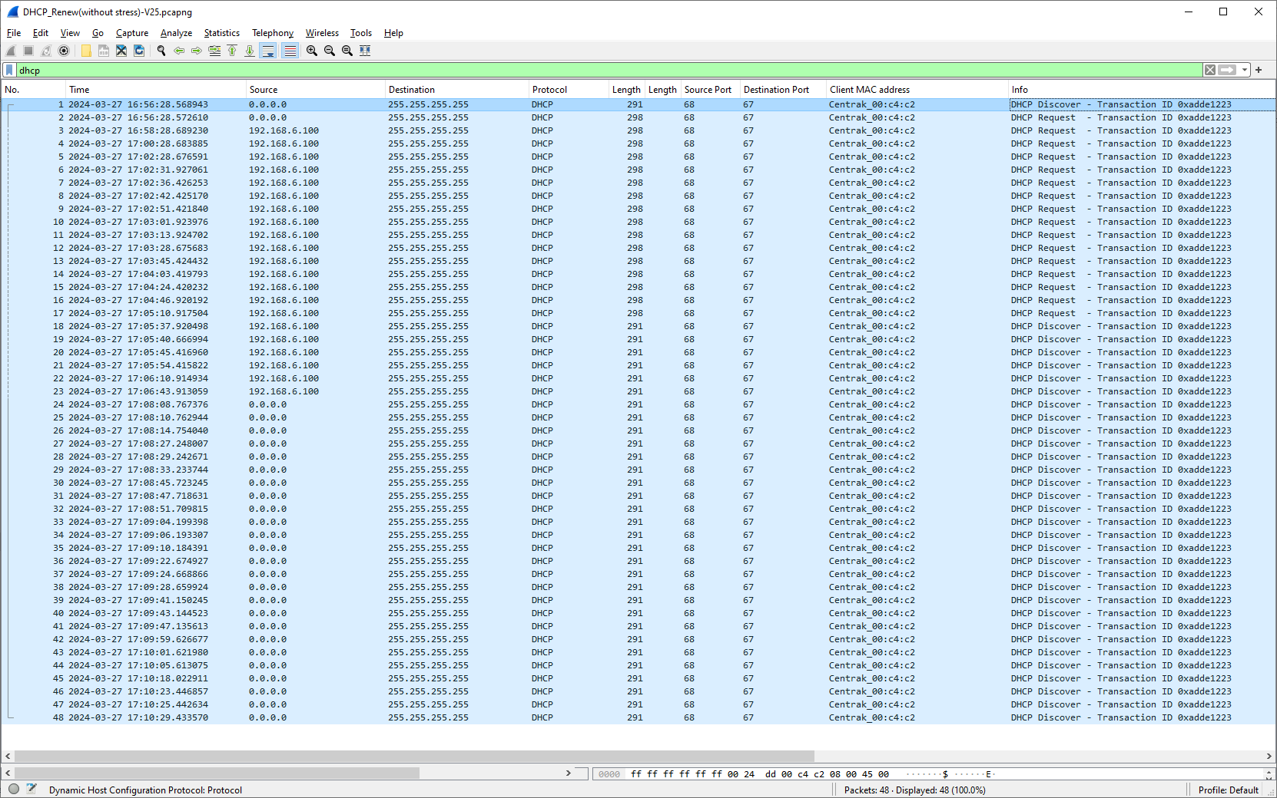
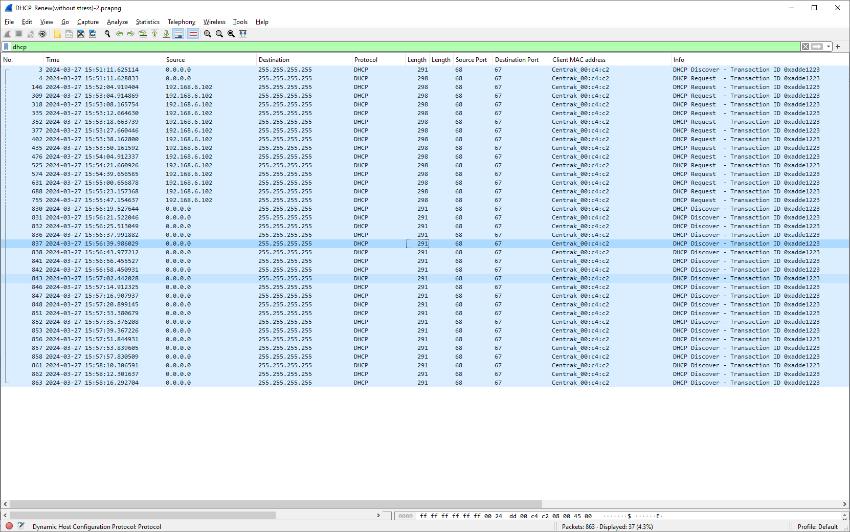

with stress

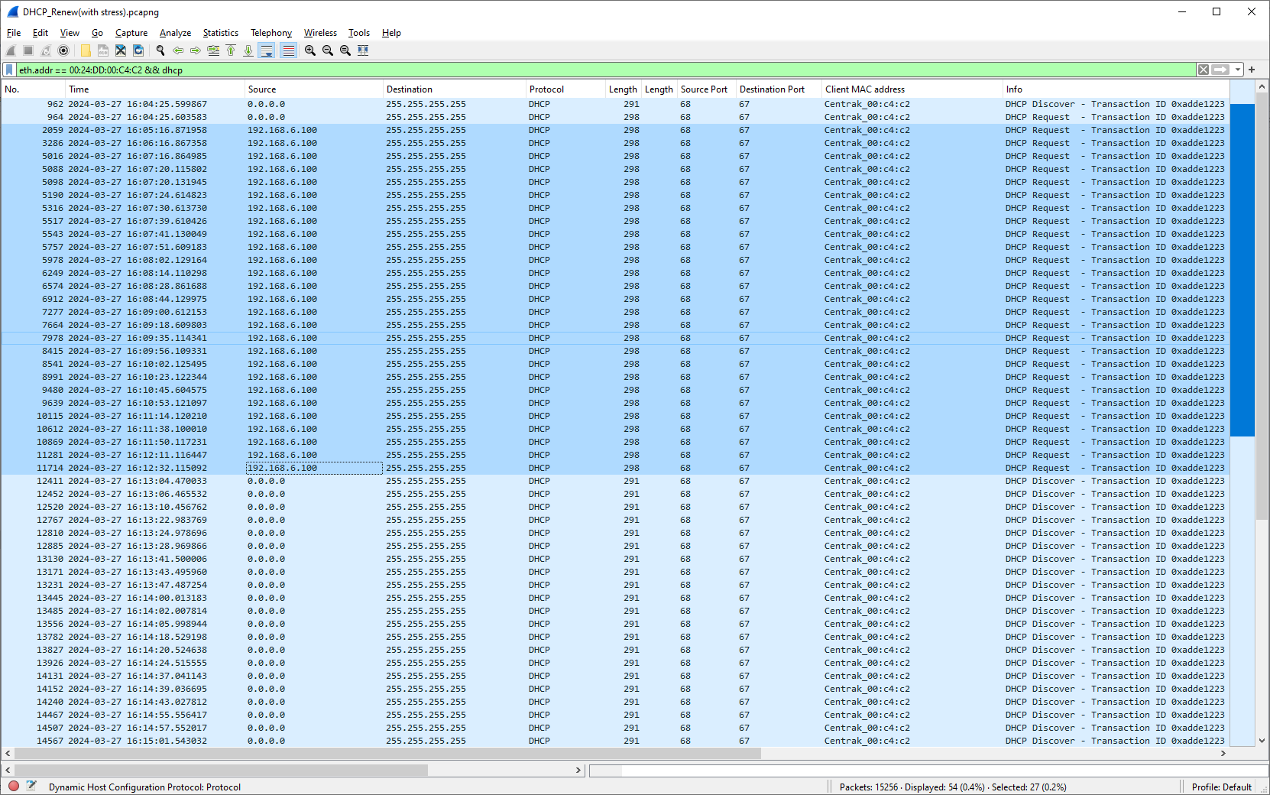
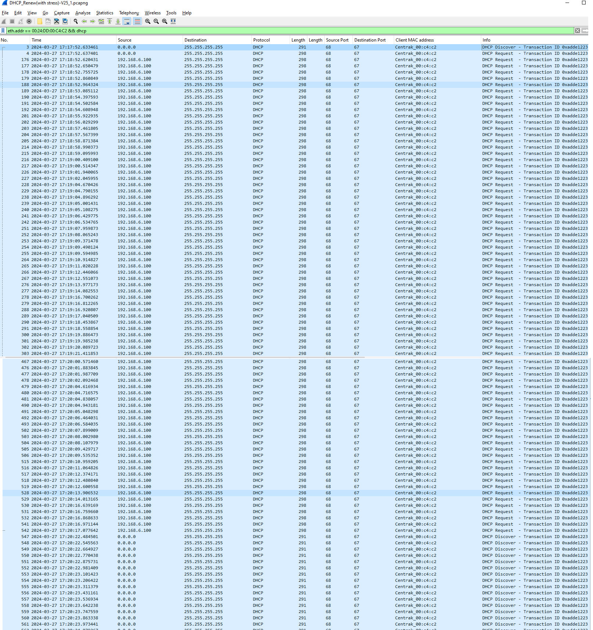

DHCP Renew (Ignore Response)

Star V11-Star V25
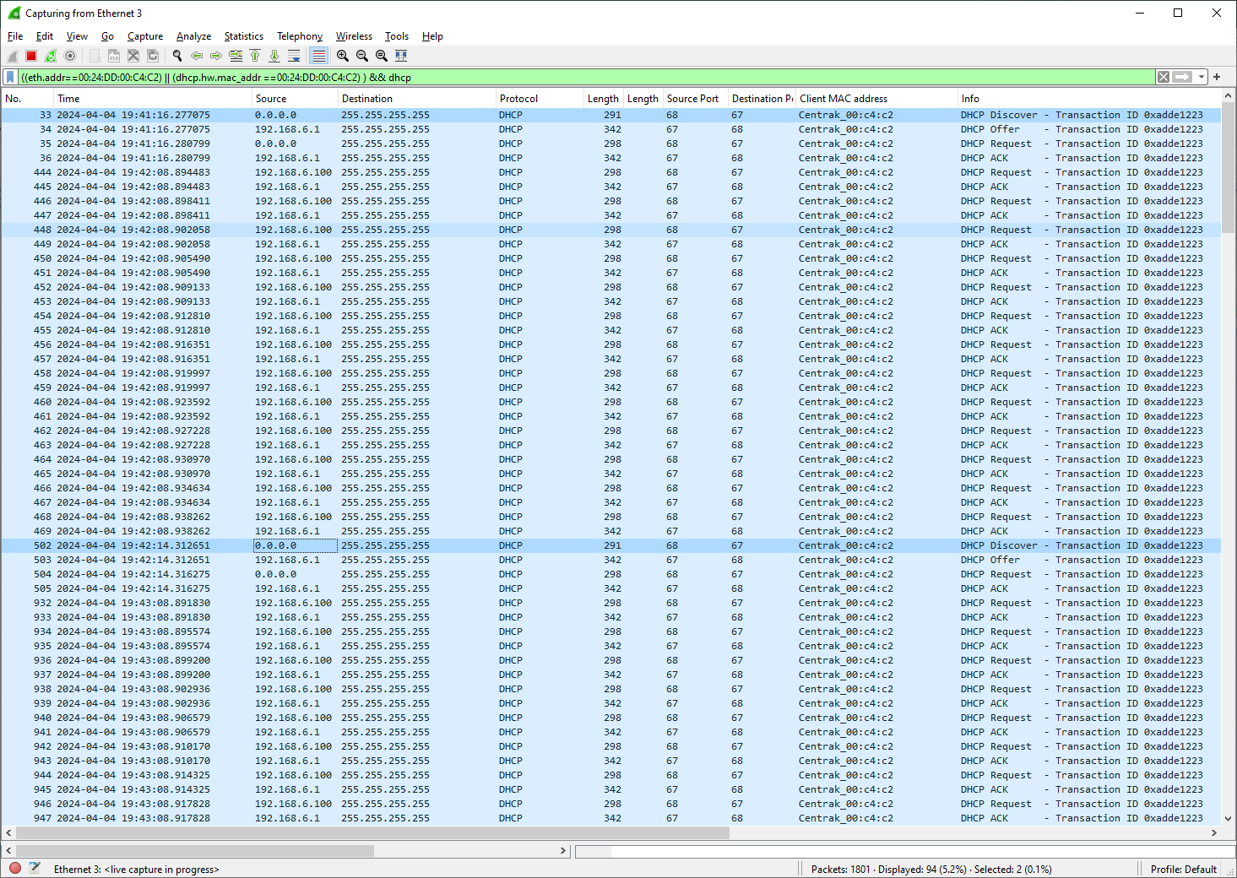
DHCP - Discovery
V11 |  | V25
Without stress
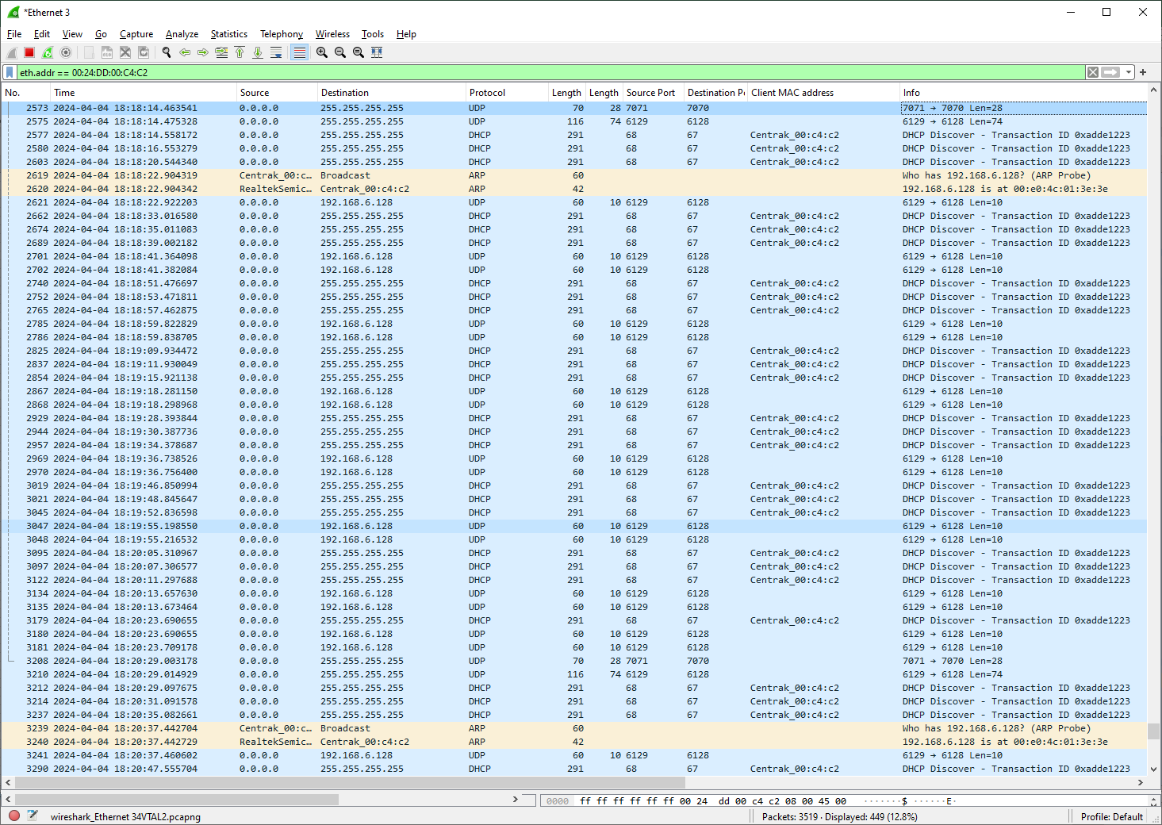

with stress

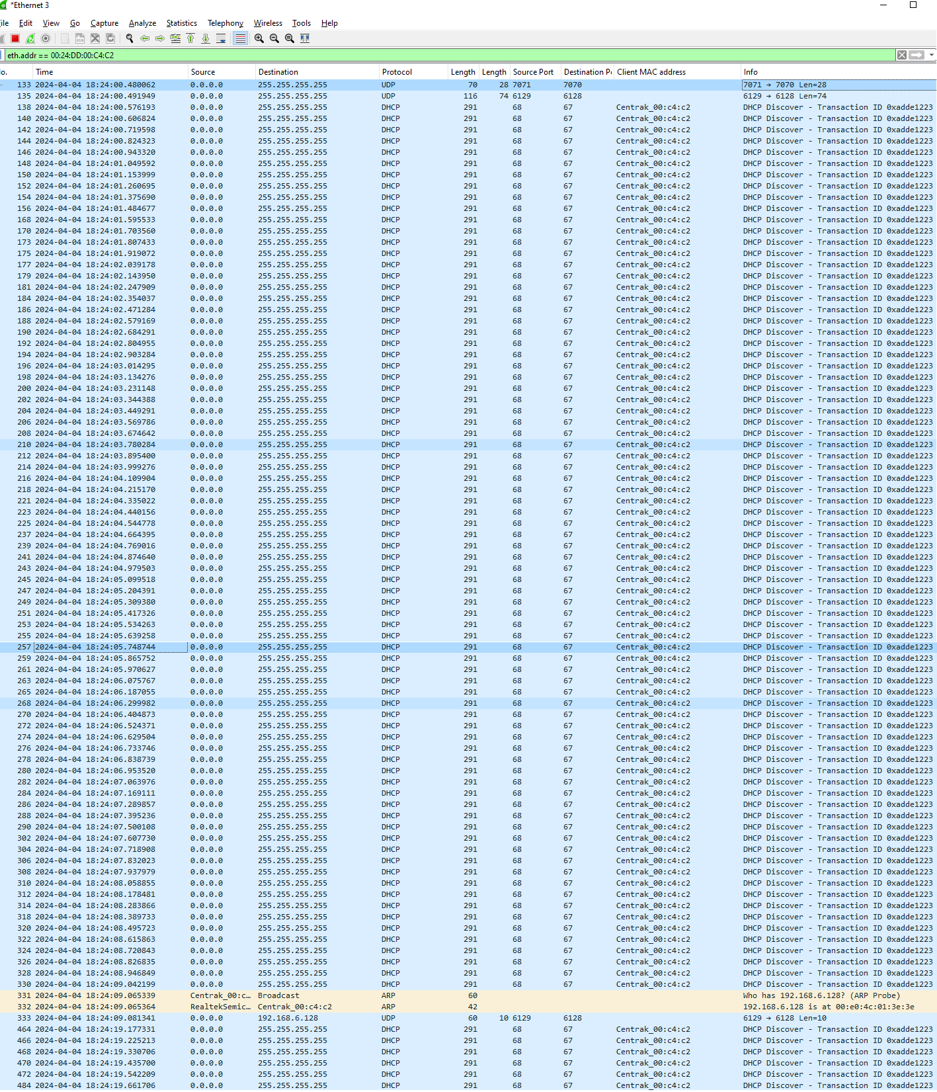

DHCP Discovery (Ignore Discovery Response)

V11 | V25
DHCP Server with Ignore Response
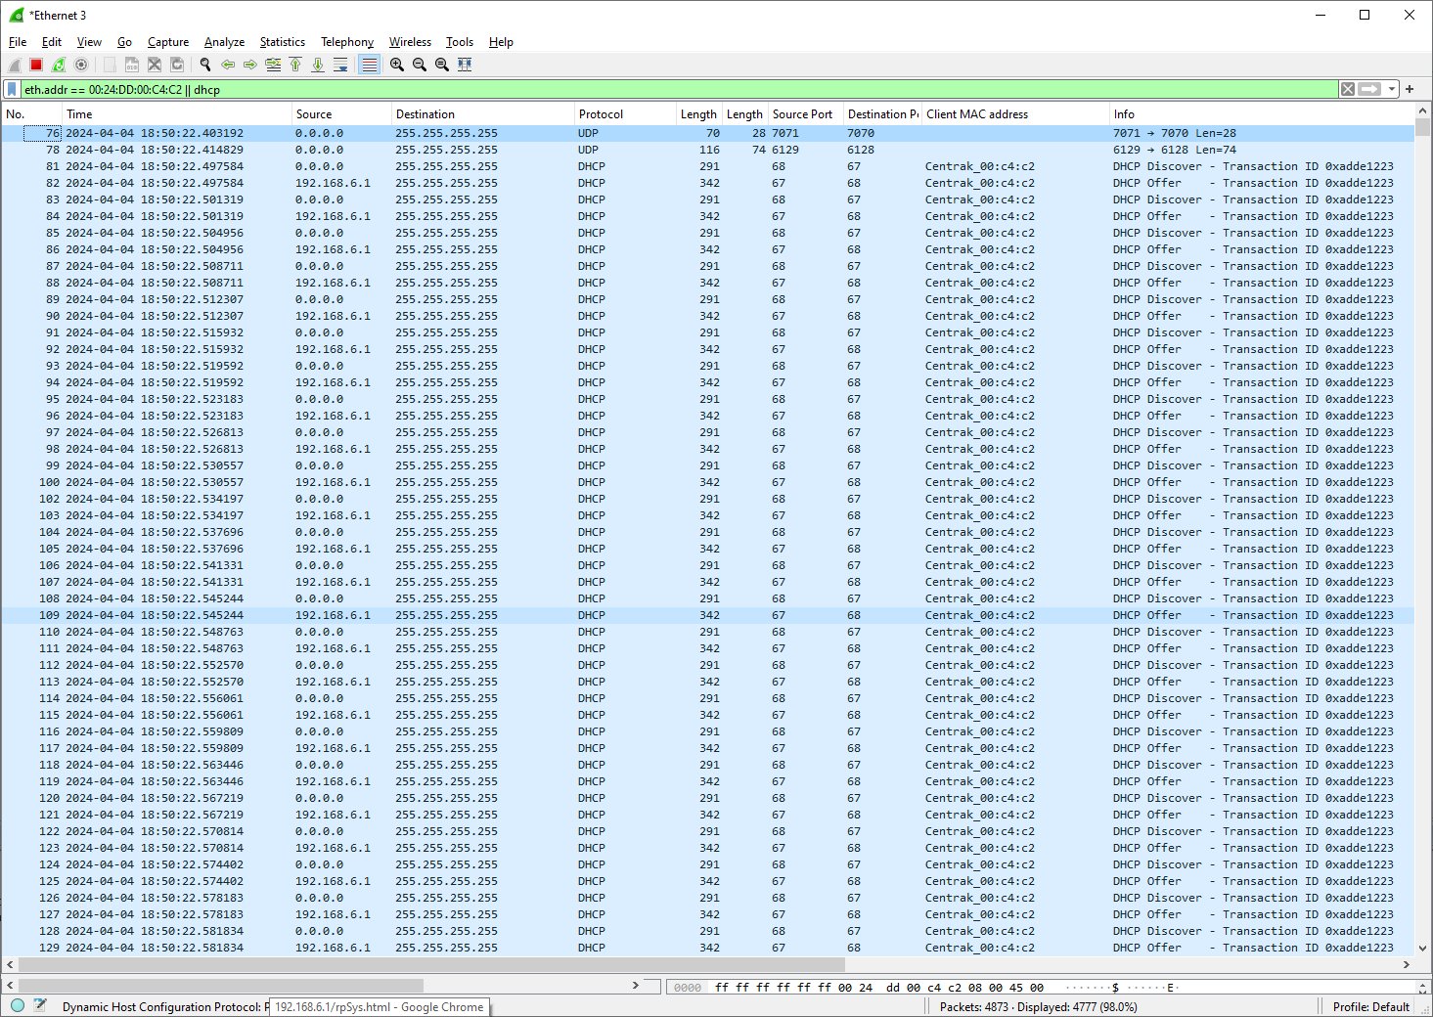

DHCP Discovery (Ignore Request Response)

V11 | V25
DHCP Server with Ignore Request

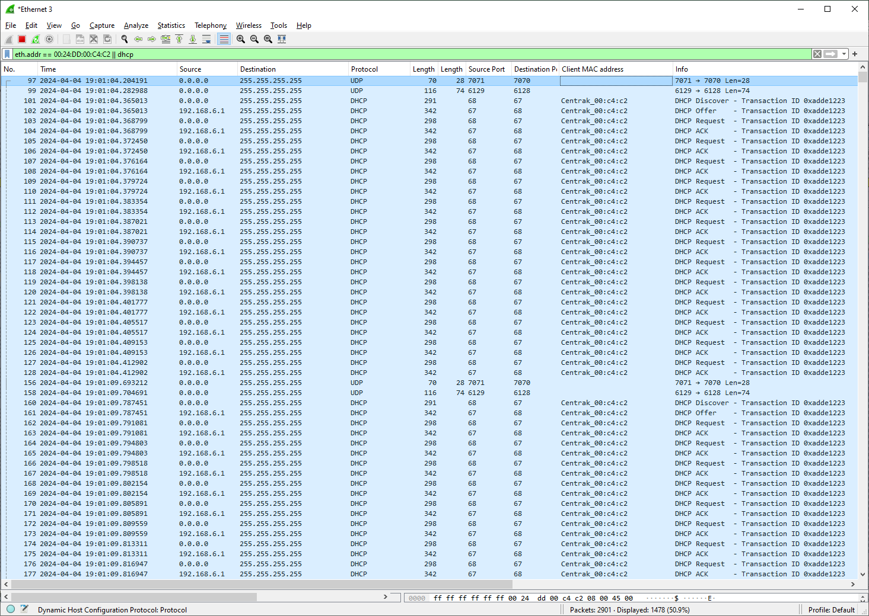

DHCP Renewal

V11 | V25

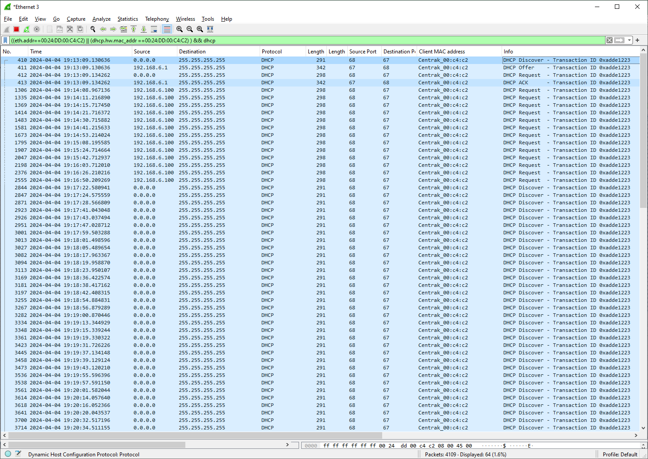

with stress

V11 | V25

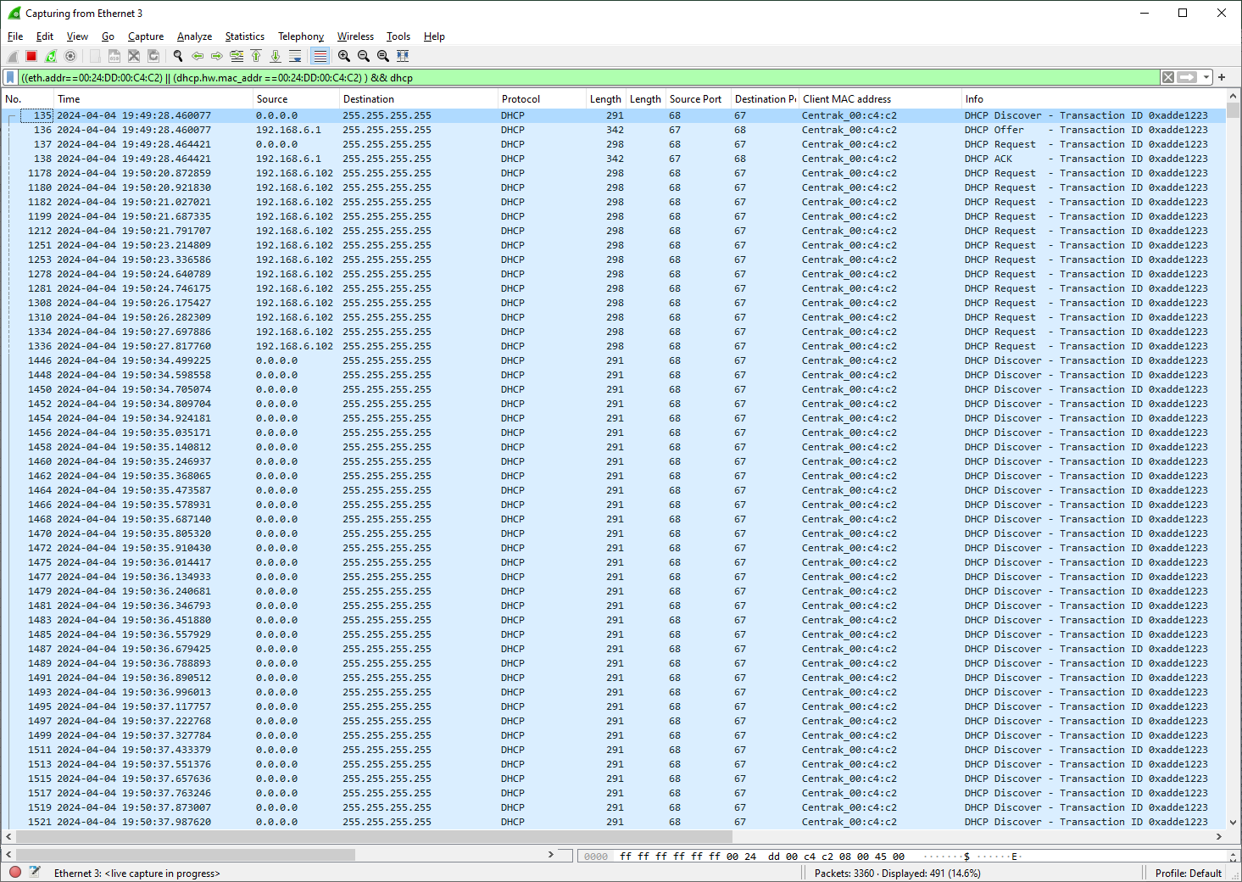

DHCP Renew (Ignore Response)

Star Time sync - Screen
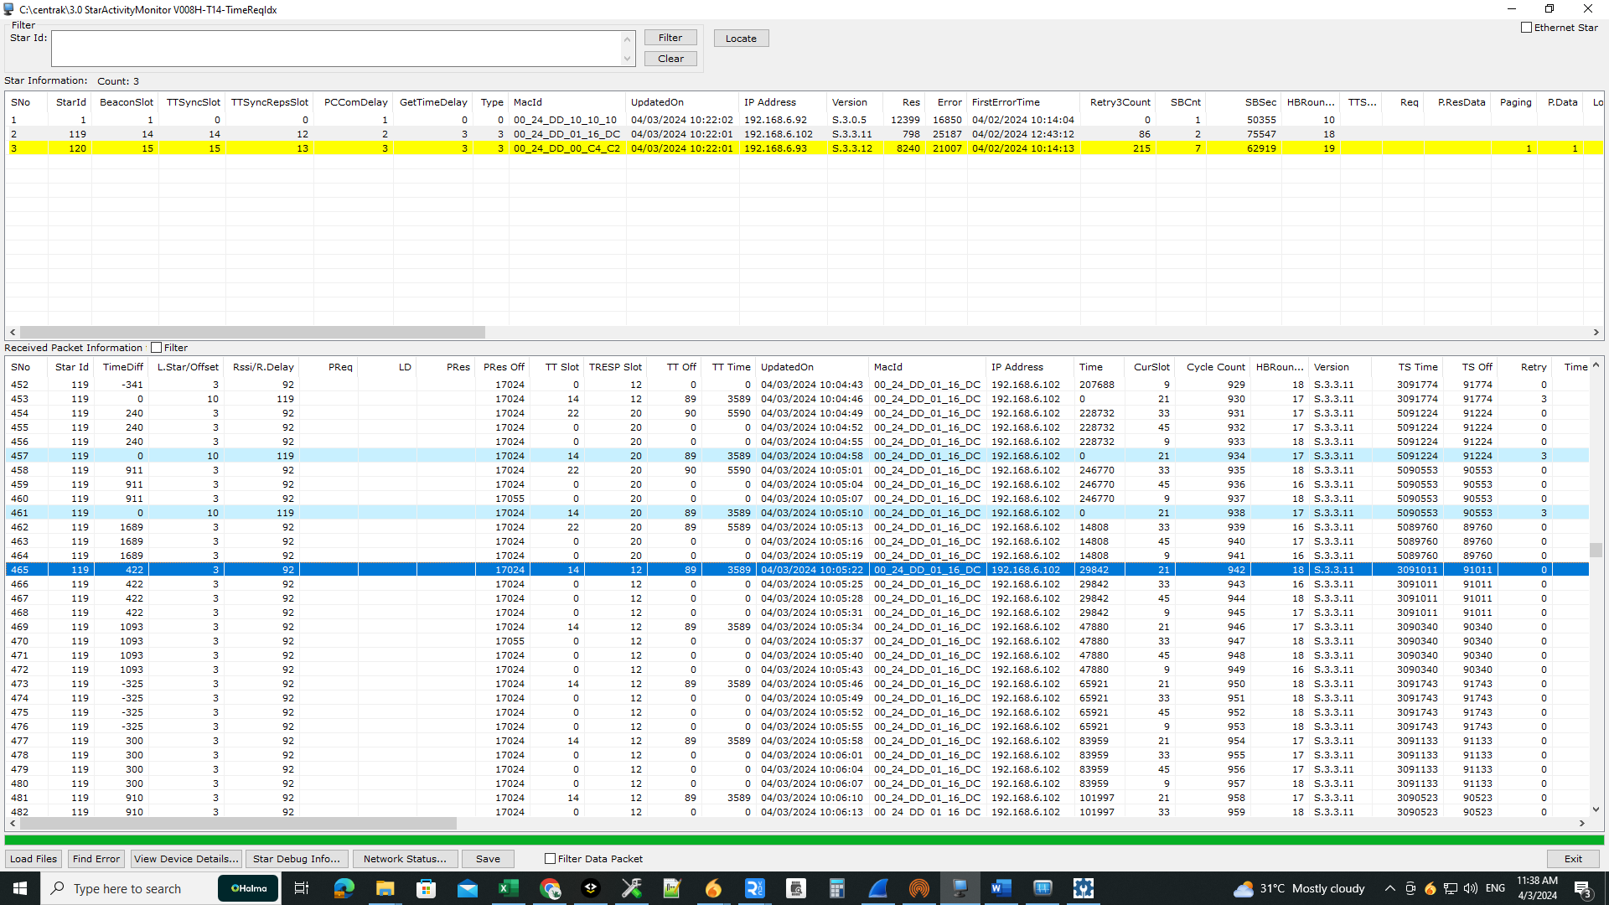
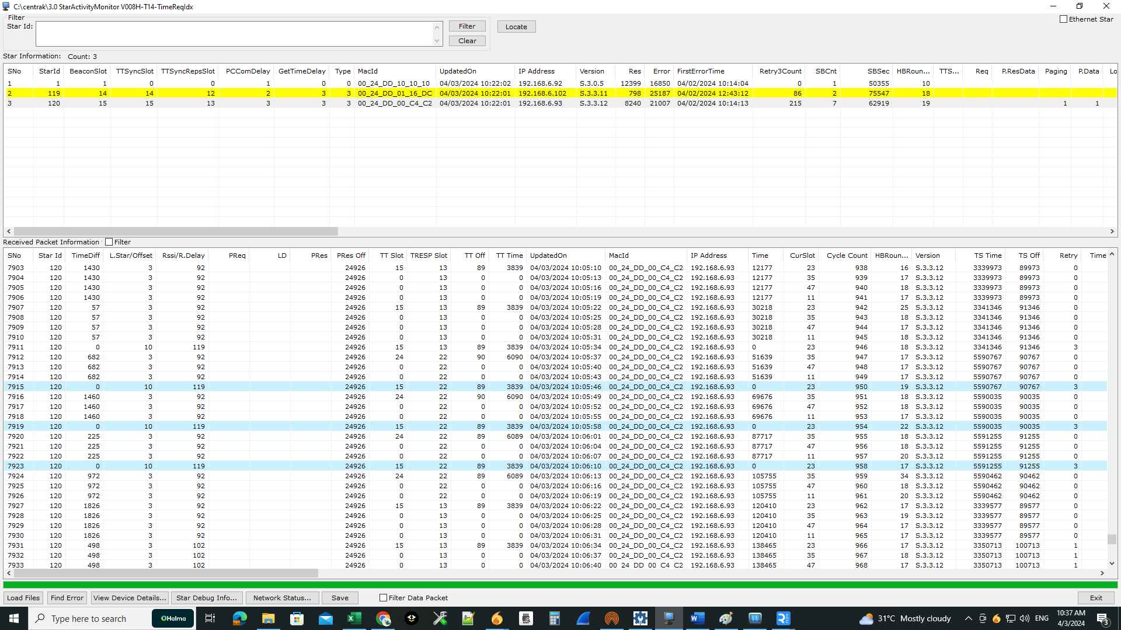
Case 1: Star receiving valid response from Time star.
V11 | V12
Star id : 119 | Star id : 120

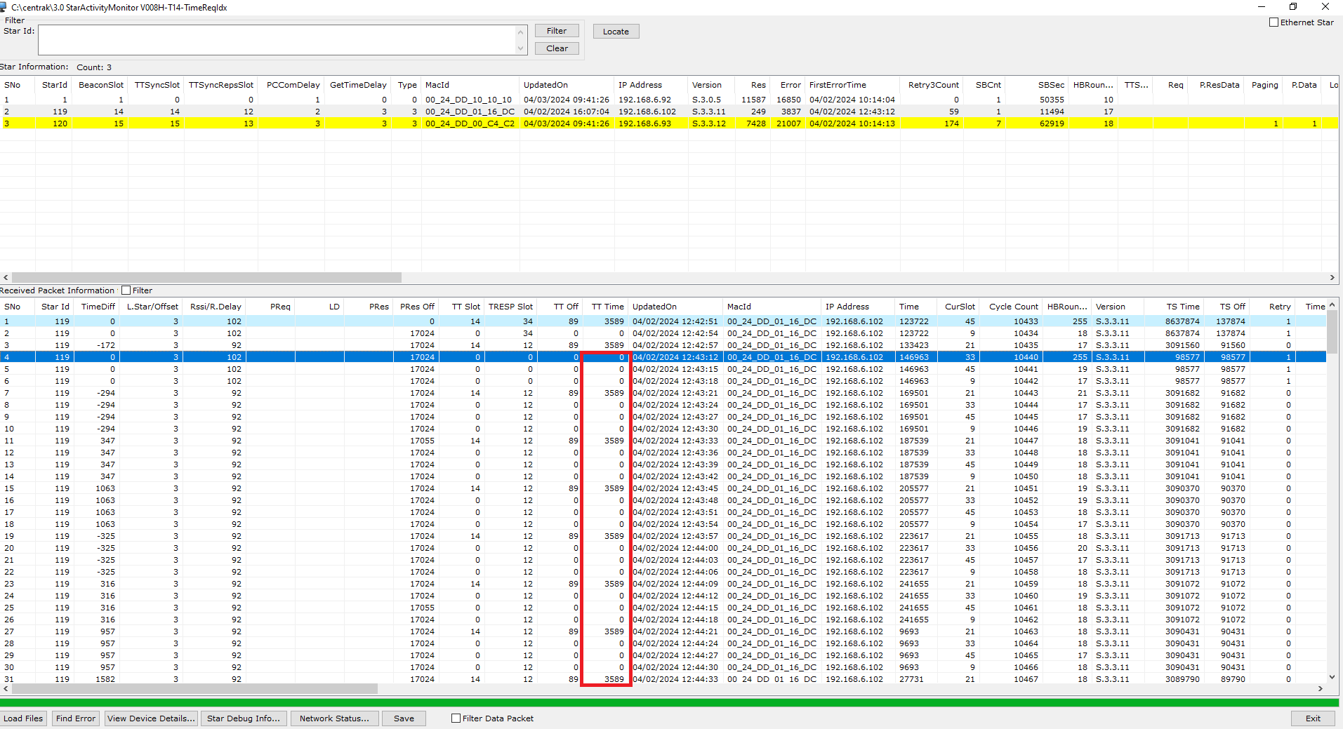
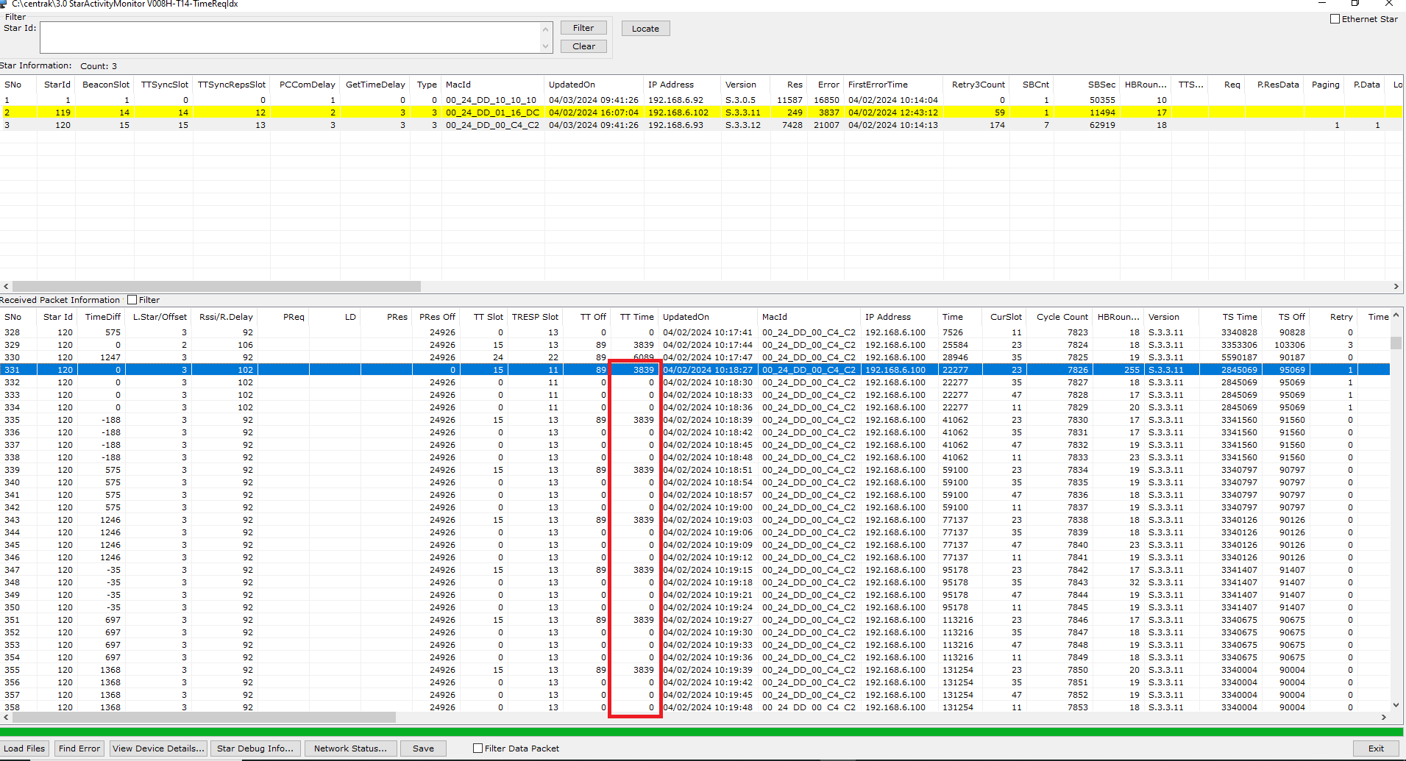

Case2: Star receiving time response for the first request after sent the second request. (Time star provides time response with 12 ms delay)

V11 | V12

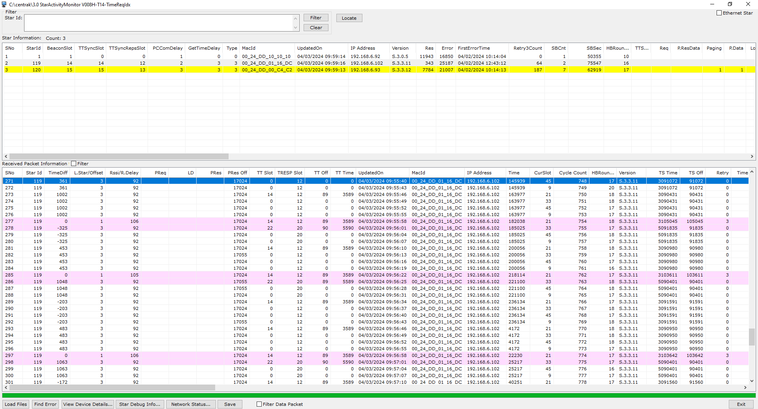
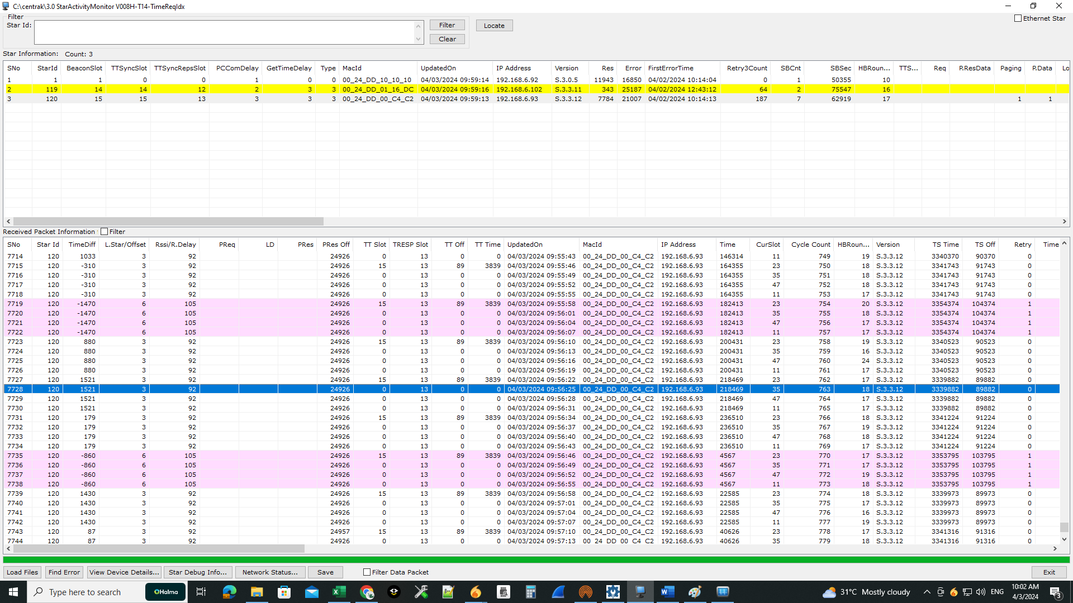

Case3: Star receiving time response for the first and second request after sent the third request (Time star provides time response with 22ms delay)

V11 | V12

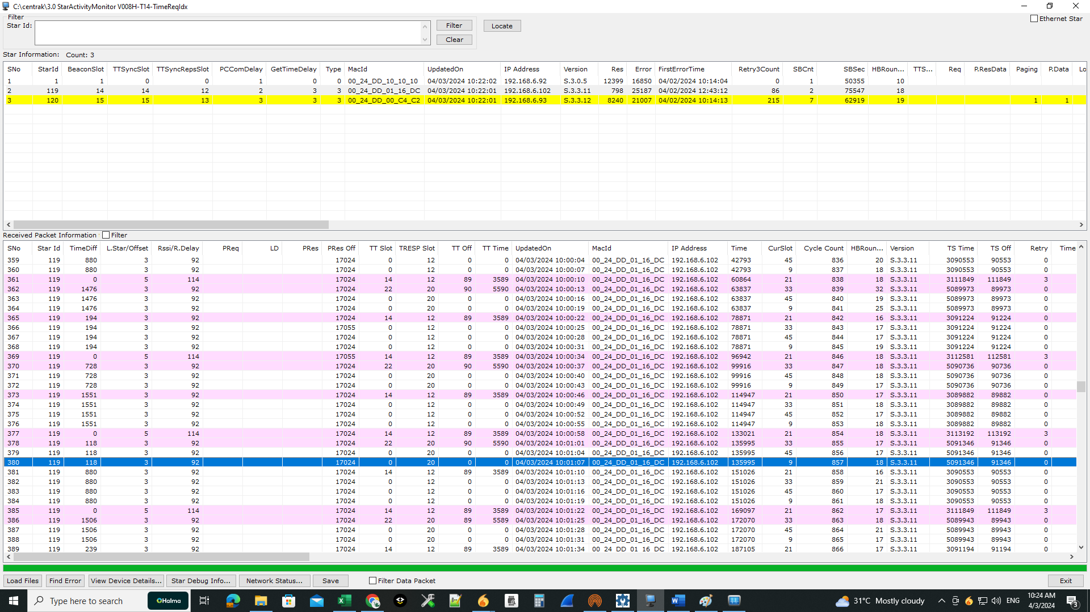
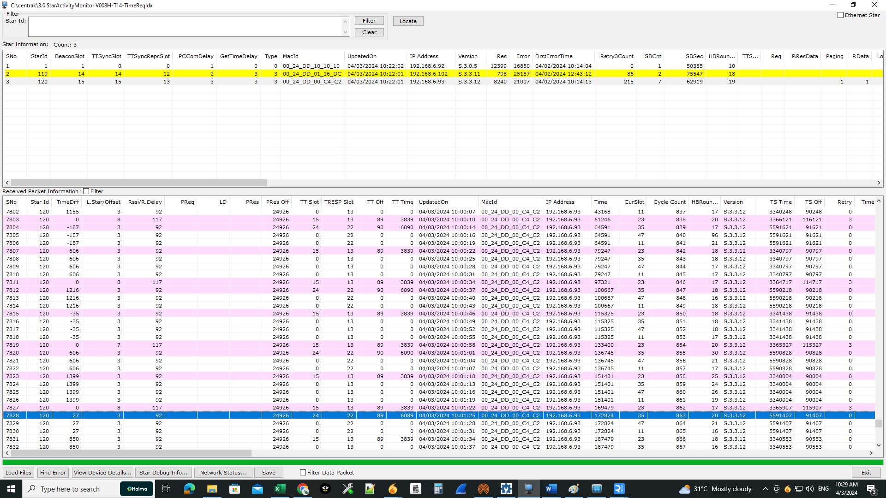

Case4: Star did not get time response from time star for all three attempts. (Time star provides time response with 32ms delay)

V11 | V12

Star Activity Monitor- Screen
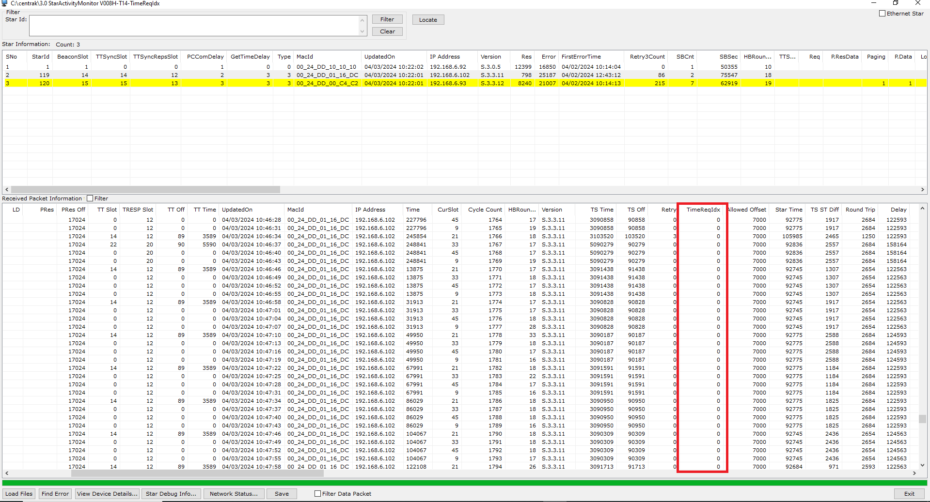
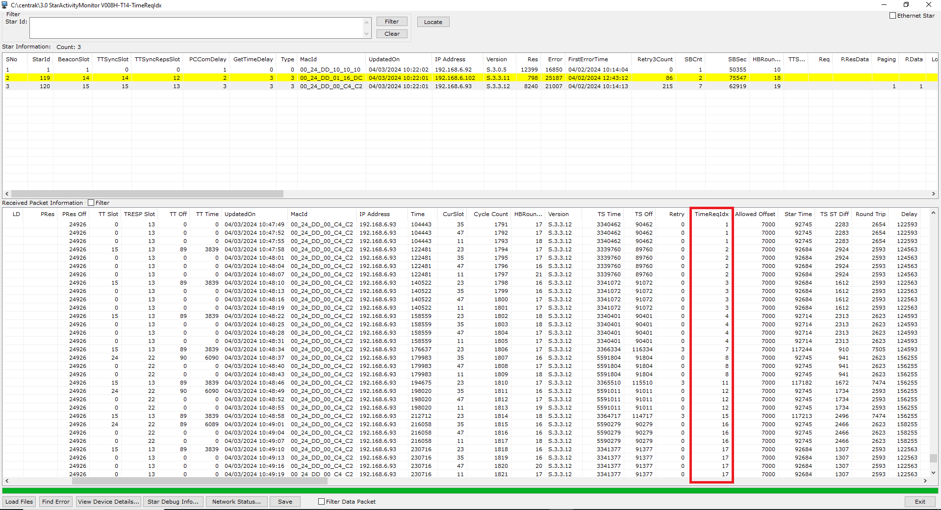
Star Activity Monitor:

V11 | V12

